Sheet1
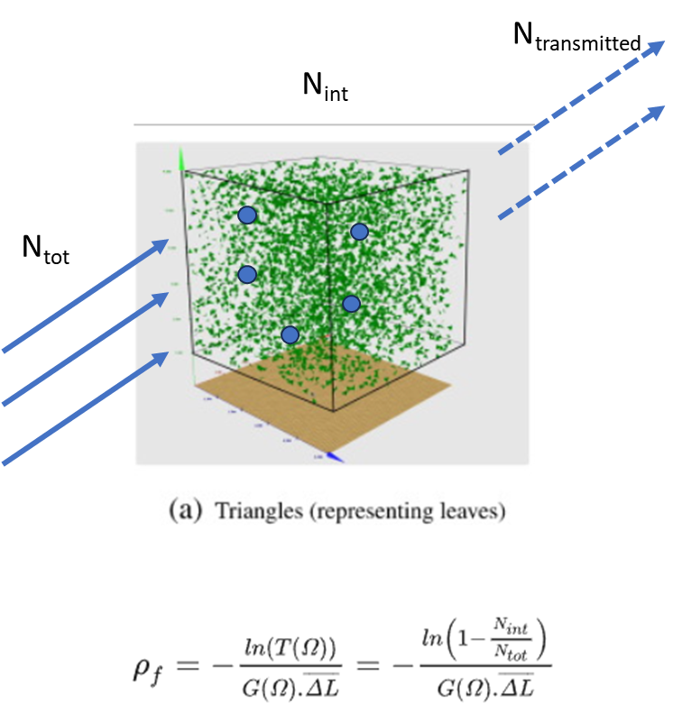
Ht | PCT_PINE | PCT_OAK | PCT_JUNIPER | PCT_EVERGREEN_SHRUB | PCT_GRASS_FORB | EFFECTIVE_LMA | LAD (PAD) | BULK_DENSITY
0 | 0 | 0 | 0 | 0.2 | 0.8 | 0.15 | 0.04 | 0.006
1 | 0 | 0.25 | 0.25 | 0.5 | 0 | 0.2425 | 0.06 | 0.01455
2 | 0 | 0.5 | 0.5 | 0 | 0 | 0.135 | 0.1 | 0.0135
3 | 0.2 | 0.4 | 0.4 | 0 | 0 | 0.268 | 0.125 | 0.0335
4 | 0.2 | 0.4 | 0.4 | 0 | 0 | 0.268 | 0.13 | 0.03484
5 | 0.5 | 0.25 | 0.25 | 0 | 0 | 0.4675 | 0.1 | 0.04675
6 | 0.6 | 0.2 | 0.2 | 0 | 0 | 0.534 | 0.08 | 0.04272
7 | 1 | 0 | 0 | 0 | 0 | 0.8 | 0.05 | 0.04
8 | 1 | 0 | 0 | 0 | 0 | 0.8 | 0.04 | 0.032
9 | 1 | 0 | 0 | 0 | 0 | 0.8 | 0.05 | 0.04
10 | 1 | 0 | 0 | 0 | 0 | 0.8 | 0.06 | 0.048
11 | 1 | 0 | 0 | 0 | 0 | 0.8 | 0.07 | 0.056
12 | 1 | 0 | 0 | 0 | 0 | 0.8 | 0.08 | 0.064
13 | 1 | 0 | 0 | 0 | 0 | 0.8 | 0.07 | 0.056
14 | 1 | 0 | 0 | 0 | 0 | 0.8 | 0.06 | 0.048
15 | 1 | 0 | 0 | 0 | 0 | 0.8 | 0.05 | 0.04
Species Composition
LMA

X
=
 |  |  |  |  |  | Species | LMA (kg/m^2)
 |  |  |  |  |  | PINE | 0.8
 |  |  |  |  |  | OAK | 0.16
 |  |  |  |  |  | JUNIPER | 0.11
 |  |  |  |  |  | EVERGREEN_SHRUB | 0.35
 |  |  |  |  |  | GRASS_FORB | 0.1

LMA
LAD
Fuel Bulk Density

X
=

